Q2
Q2: A healthcare facility is planning its nursing budget for the coming year. One nurse with a salary of $1,000 per week is required for every five patients. The average patient census is 300, as shown in the file census.xllx, which contains 52 weeks of census data. Therefore it is estimated that 60 nurses will be needed at an average weekly cost of $60,000 and an annual cost of $3.12 million.
On those weeks when the census is below the average of 300, the nurses much be paid full salary anyway. On those weeks when the census is exceeded, $500 in overtime expense is incurred per patient in excess of 300. For instance, if the census were 310, an additional $5,000 would be incurred that week.
(a) What is the chance that the facility will stay within the $3.12 million nursing budget for the coming year? (10 pts)
(b) On the average, in how many weeks of the coming year is the weekly budget ($60,000) expected to suffice? (15 pts)
(c) What is the staffing level that minimizes expected cost? (15 pts)
(d) Is there a trade-off between average cost and the risk of an occasional large cost? (10 pts)

Historical data |  |  | Patient census
Week | Census |  | Average | Resampled
1 | 280 |  | 300 | 286
2 | 279
3 | 260 |  | Staffing level |  | Patient
4 | 308 |  | Current | Ratio | equivalent
5 | 303 |  | 60 | 5 | 300
6 | 295
7 | 287 |  | Staffing cost
8 | 337 |  | Salary
9 | 284 |  | $1,000
10 | 308 |  | Overtime
11 | 270 |  | $500
12 | 313 |  | Cost:Salary
13 | 267 |  | $60,000
14 | 307 |  | Cost:OT
15 | 277 |  | $0
16 | 377 |  | Cost:Total
17 | 297 |  | $60,000
18 | 287 |  | Cost:Expected
19 | 272 | Weekly | #N/A
20 | 293 | Annual | #N/A
21 | 278
22 | 265 | Part (a)
23 | 281 | Budget met | 1
24 | 301 | Week $s OK | #N/A
25 | 294 | Annual prob. | #N/A
26 | 283
27 | 278 | Part (b)
28 | 342 | Weeks OK | #N/A
29 | 282
30 | 274 | Part (c) |  | Step 1 | Point 'Staffing' cell to 'StaffingParameter' cell
31 | 363 | Staff Level | 45 | 2 | Set 'Simulations to Run' = 9 in Platform tab
32 | 340 |  |  | 3 | In 'Multiple Simulations' parameters analysis chart, choose appropriate output, params & measures
33 | 322 | Part (d) |  | 4 | Also ensure 'Major Axis Points' = 9 (or however many points you wish to display
34 | 301 | The cost is minimized at a staffing level of 60. However, if we choose to staff at a higher level, the occassional risk of a large cost (VaR) gradually lowers through the 75 level.
35 | 286
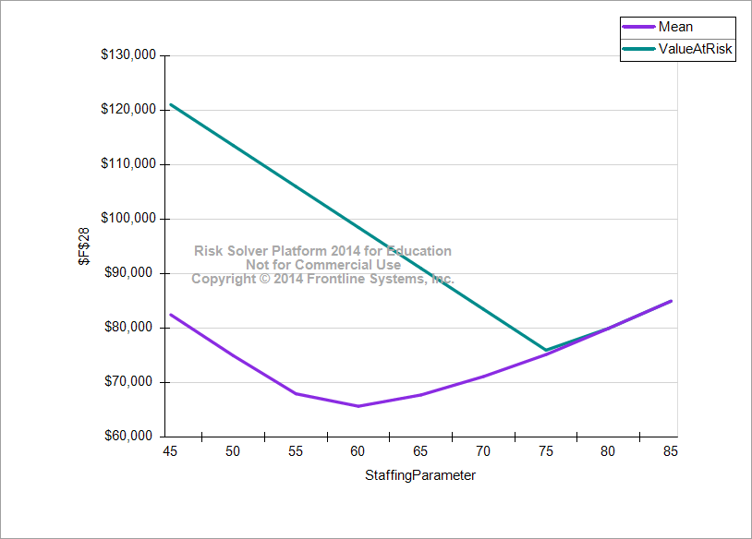
36 | 381
37 | 309
38 | 364
39 | 285
40 | 269
41 | 387
42 | 276
43 | 288
44 | 294
45 | 323
46 | 292
47 | 278
48 | 269
49 | 307
50 | 303
51 | 290
52 | 294

